Cover Page
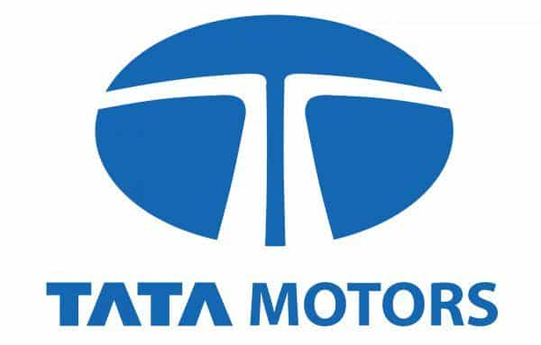

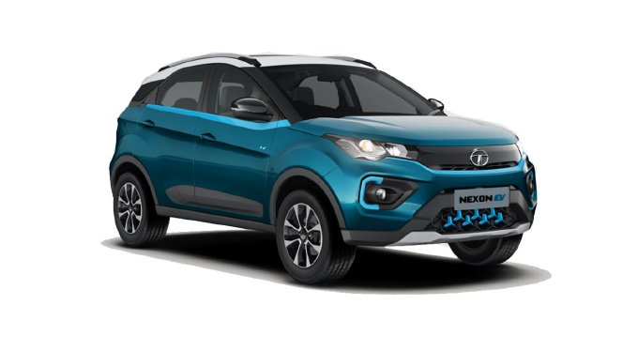

Financial Model of TATA MOTORS
Tata Motors Limited (TML) is one of India’s biggest automobile manufacturing companies with an extensive range of integrated, smart and e-mobility solutions in its portfolio. The Tata Motors Group, part of the multi-national conglomerate the Tata Group, have operations in India, the UK, South Korea, South Africa, China, Brazil, Austria and Slovakia through a strong global network of subsidiaries, associate companies and Joint Ventures (JVs), including Jaguar Land Rover in the UK and Tata Daewoo in South Korea.
Table of content
1 | Income Statement
2 | Cash-flow Statement
3 | Depriciation Schedule
4 | Working Capital Schedule
5 | Balance Sheet
6 | DCF Analysis
7 | WACC

 | Note:
 | This financial model is for educational purpose only and should not be use for any other reason.

